EDA
Data Info
 | Recording | 正式实验5
 | Subject | 屈灿
 | Create Time | 2023-11-17 16:04:11.770
 | Data Name | Finger8 EDA
 | Data Type | EDA
 | Sample Rate | 64
 | Segment | 前静息态
 | Start Time | 0:02:26
 | End Time | 0:07:26
 | Duration | 0:05:00

Replay Chart
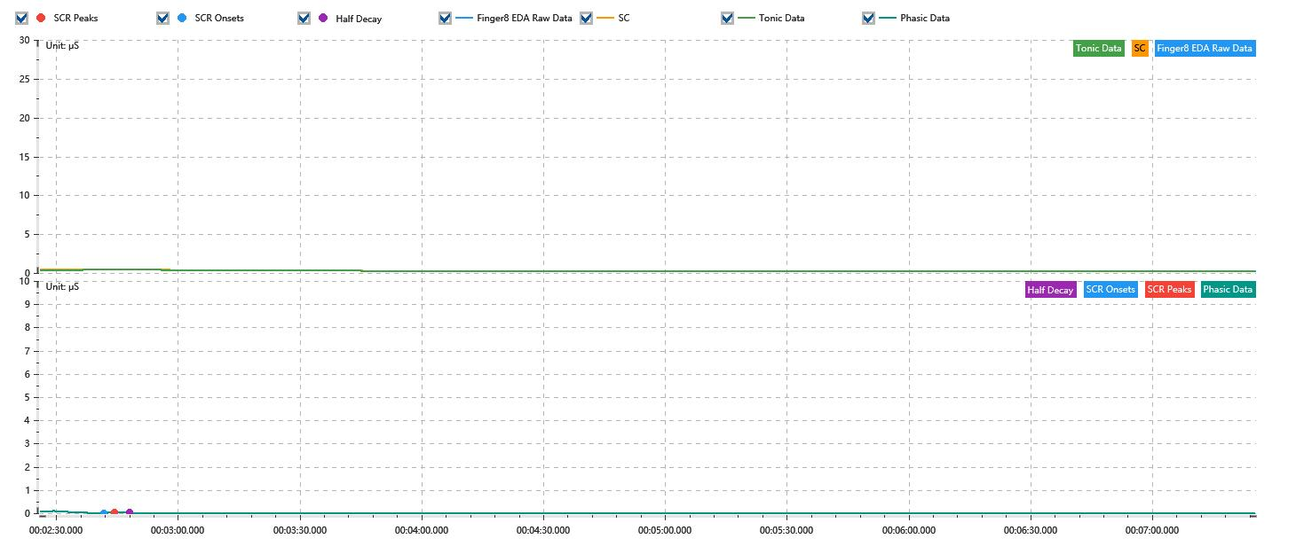

Process parameters
 | Filters
 | Smooth denoise | Enabled | 高斯 | 5(samples)
 | Lowpass filter | Enabled | 5μS
 | Skin Conductance Response
 | SCR extraction | Minimum SCR amplitude | 0.03μS
 | SCR extraction | Max rise time | 4s
 | SCR extraction | Max half decay time | 4s
 | SCR extraction | Peak dection sensitivity | 中
 | Event related activation | Window relative to event | 1s | 4s

Time Domain
 | Data | Mean | Max | Min | Std | Variance | Polar Distance | Data Length
 | SC | 0.27μS | 0.45μS | 0.21μS | 0.07μS | 0μS² | 0.25μS | 1200
 | Tonic | 0.26μS | 0.41μS | 0.21μS | 0.06μS | 0μS² | 0.2μS | 1200
 | Phasic | 0.01μS | 0.1μS | 0μS | 0.01μS | 0μS² | 0.1μS | 1200

SCR
 | OnsetTime | PeakTime | RiseTime | HalfDecayTime | Amp
 | 0.001872662037 | 0.0019015972222 | 2.5s | 3.75s | 0.04μS

Event Related
 | Event Group | Event Name | Event Description | EventTime | SCRCount | Latency | AmpSum | SCL | Half Decay Time Avg. | Rise Decay Time Avg.
 | Custom | 前静息态采集开始 |  | 0.0016874422234 | 0 | 0s | 0μS | 0.35μS | 0s | 0s
 | Custom | 前静息态采集结束 |  | 0.0051599652083 | 0 | 0s | 0μS | 0.21μS | 0s | 0s

